F-14
F-14 Standard Conventional Loads

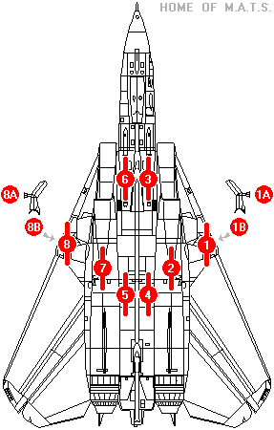
 | STARBOARD |  |  | NOSE |  |  | PORT
STORE CONFIG | 8A | 8B | 7 | 3,4,5,&6 | 2 | 1B | 1A
1C | - | - | TANK | - | TANK | - | -
1C3 | AIM-9 | AIM-7 | TANK | - | TANK | AIM-7 | AIM-9
1C5 | AIM-9 | AIM-54 | TANK | - | TANK | AIM-54 | AIM-9
1C8 | AIM-9 | LANTIRN | TANK | - | TANK | AIM-54 | AIM-9
1C9 | AIM-9 | AIM-7 | TANK | - | TANK | AIM-54 | AIM-9
2C1 | AIM-9 | AIM-9 | TANK | X4 AIM-7 | TANK | AIM-9 | AIM-9
2C3 | AIM-9 | AIM-7 | TANK | X4 AIM-7 | TANK | AIM-7 | AIM-9
2C5 | AIM-9 | AIM-54 | TANK | X4 AIM-7 | TANK | AIM-54 | AIM-9
3C3 | AIM-9 | AIM-7 | TANK | X4 AIM-54 | TANK | AIM-7 | AIM-9
4C3 | AIM-9 | AIM-7 | TANK | X2 AIM-54 | TANK | AIM-7 | AIM-9
4C3-1 | AIM-9 | AIM-7 | TANK | X2 AIM-54 + X1 AIM-7 | TANK | AIM-7 | AIM-9
5C8 | AIM-9 | LANTIRN | TANK | X2 GBU-12 | TANK | AIM-54 | AIM-9
5C8-1 | AIM-9 | LANTIRN | TANK | X2 GBU-12 + X1 AIM-7 | TANK | AIM-54 | AIM-9
6C8 | AIM-9 | LANTIRN | TANK | X2 GBU-16 | TANK | AIM-54 | AIM-9
6C8-1 | AIM-9 | LANTIRN | TANK | X2 GBU-16 + X1 AIM-7 | TANK | AIM-54 | AIM-9
7C8 | AIM-9 | LANTIRN | TANK | X2 GBU-10 | TANK | AIM-54 | AIM-9
7C8-1 | AIM-9 | LANTIRN | TANK | X2 GBU-10 + X1 AIM-7 | TANK | AIM-54 | AIM-9
8C8 | AIM-9 | LANTIRN | TANK | X2 GBU-24 | TANK | AIM-54 | AIM-9
9C10 | AIM-9 | - | TANK | X1 AIM-54 | TANK | AIM-7 | -
9C11-1 | AIM-9 | AIM-7 | TANK | X1 AIM-54 + X1 AIM-7 | TANK | AIM-9 | AIM-9

